Sheet1
Bug Title | Procurement → Operations → Internal Transfer → Accept - Brand Locker to Locker transfer not listed for acceptance - From Employee shows No items found, Transferred Records 0
Steps to Reproduce | 1. Login as Admin (BU Kakkanad) on qap.sioniq.com 2. Procurement → Operations → Stock Inward → Brand tab: add a brand inward (Cost Center Kakkanad, SIO Brand, article Tendulkar 25g, MRP 50000) and Submit (BBB24) 3. Procurement → Operations → Internal Transfer → Transfer tab → Add: Issue From Department, Issue To Locker, To Employee Sioniquser2, Stock Entity Type Brand, Transaction Type Brand Inward → select the brand item → Add → Next → Submit (FF174) 4. Accept tab → Add: Received At Locker, Employee Sioniquser2, Received From Department, Stock Entity Type Brand, Stock Identity Type Stock → select FF174 → Accept (EE170 - this accept works) 5. Transfer tab → Add: Issue From Locker, From Employee Sioniquser2, Issue To Locker, To Employee Sioniquser3, Stock Entity Type Brand, Stock Identity Type Stock → select the brand item → Add → Next → Submit (FF175 saved) 6. Accept tab → Add: Received At Locker, Employee Sioniquser3, Received From Locker, Stock Entity Type Brand, Stock Identity Type Stock 7. Click the From Employee dropdown / check Transferred Records
Actual Result | From Employee shows "No items found" and Transferred Records stays 0 ("No transferred records found"), so the brand Locker → Locker transfer FF175 (Sioniquser2 Locker → Sioniquser3 Locker, Brand, Stock) can not be accepted. Same result in every field order, for every employee, and with Received From = Department or Process. The API GetAllLockerEmployeeFromInterStockTransfer?employeeID=<Sioniquser3> returns an empty list. The identical Metal (FF167, entity Material) and Stone (FF171) Locker → Locker transfers done the same day are listed and accepted normally, and the brand Department → Locker accept (FF174 → EE170) also works.
Expected Result | With Received At Locker / Employee Sioniquser3 / Received From Locker, the From Employee dropdown should list Sioniquser2 and Transferred Records should show FF175, so the brand item can be accepted into Sioniquser3's locker exactly as for Metal and Stone.
Screenshot
 | Internal Transfer

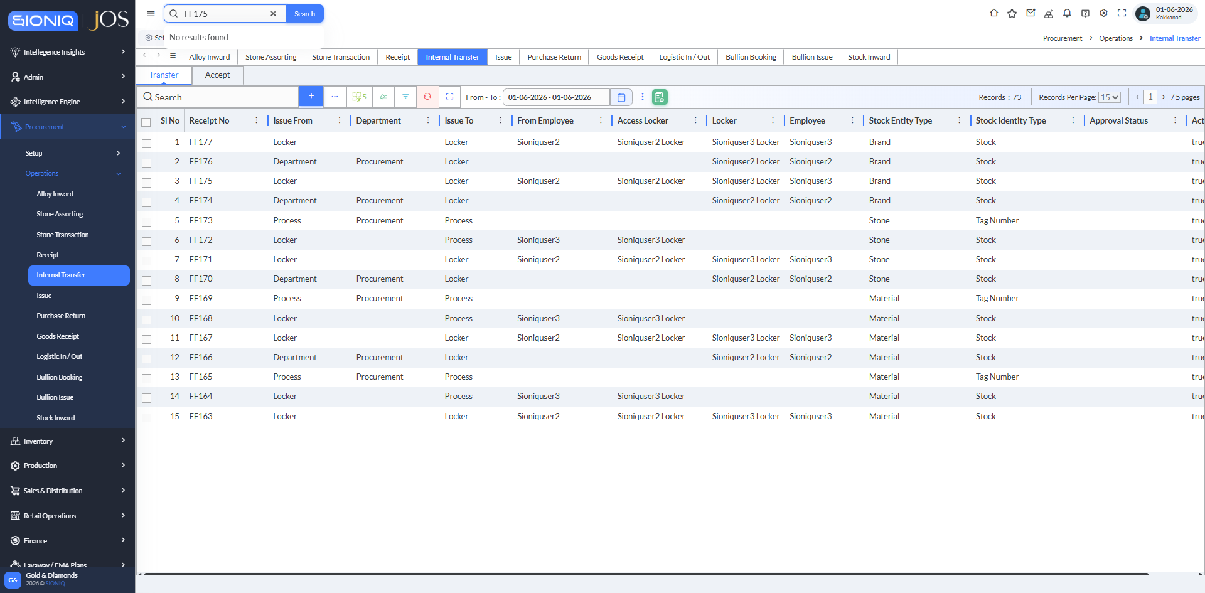

 | Transfer tab: FF175 saved - Issue From Locker (Sioniquser2), Issue To Locker (Sioniquser3), Stock Entity Type Brand, Stock Identity Type Stock

 | Internal Stock Accept

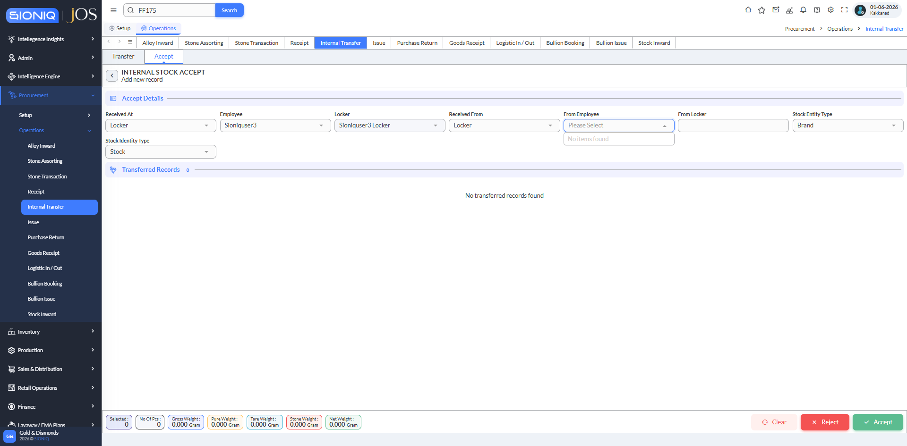

 | Received At Locker / Employee Sioniquser3 / Received From Locker / Brand / Stock: From Employee dropdown shows "No items found"

 | Internal Stock Accept

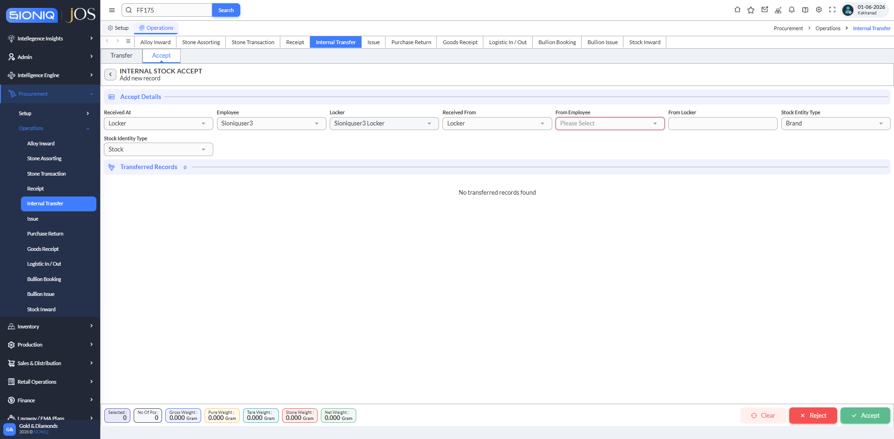

 | Transferred Records 0 - "No transferred records found" - FF175 is not offered for acceptance

